Annual Scale
 |  | LIFE |  |  |  | WORK
Season | Week | Caregiver | Partner | Friend | Self | Student | Employee | PI | Teacher | Mentor | TOTALS | LIFE |  |  |  | WORK
Winter | 2024-01-01 | 36 | 19 | 3 | 6 | 0 | 0 | 32 | 0 | 4 | 100 | Caregiver | Partner | Friend | Self | Student | Employee | PI | Teacher | Mentor | TOTAL
Winter | 2024-01-08 | 36 | 19 | 3 | 6 | 0 | 0 | 32 | 0 | 4 | 100 | 34.66 | 15.74 | 3.80 | 7.37 | 0.00 | 0.00 | 25.30 | 8.60 | 4.53 | 100.00
Spring | 2024-01-15 | 29 | 16 | 3 | 6 | 0 | 0 | 31 | 10 | 6 | 100 | 61.58 |  |  |  | 38.42
Spring | 2024-01-22 | 29 | 16 | 3 | 6 | 0 | 0 | 31 | 10 | 6 | 100
Spring | 2024-01-29 | 29 | 16 | 3 | 6 | 0 | 0 | 31 | 10 | 6 | 100
Spring | 2024-02-05 | 29 | 16 | 3 | 6 | 0 | 0 | 31 | 10 | 6 | 100
Spring | 2024-02-12 | 29 | 16 | 3 | 6 | 0 | 0 | 31 | 10 | 6 | 100
Spring | 2024-02-19 | 29 | 16 | 3 | 6 | 0 | 0 | 31 | 10 | 6 | 100
Spring | 2024-02-26 | 29 | 16 | 3 | 6 | 0 | 0 | 31 | 10 | 6 | 100
Spring | 2024-03-04 | 29 | 16 | 3 | 6 | 0 | 0 | 31 | 10 | 6 | 100
Spring | 2024-03-11 | 29 | 16 | 3 | 6 | 0 | 0 | 31 | 10 | 6 | 100
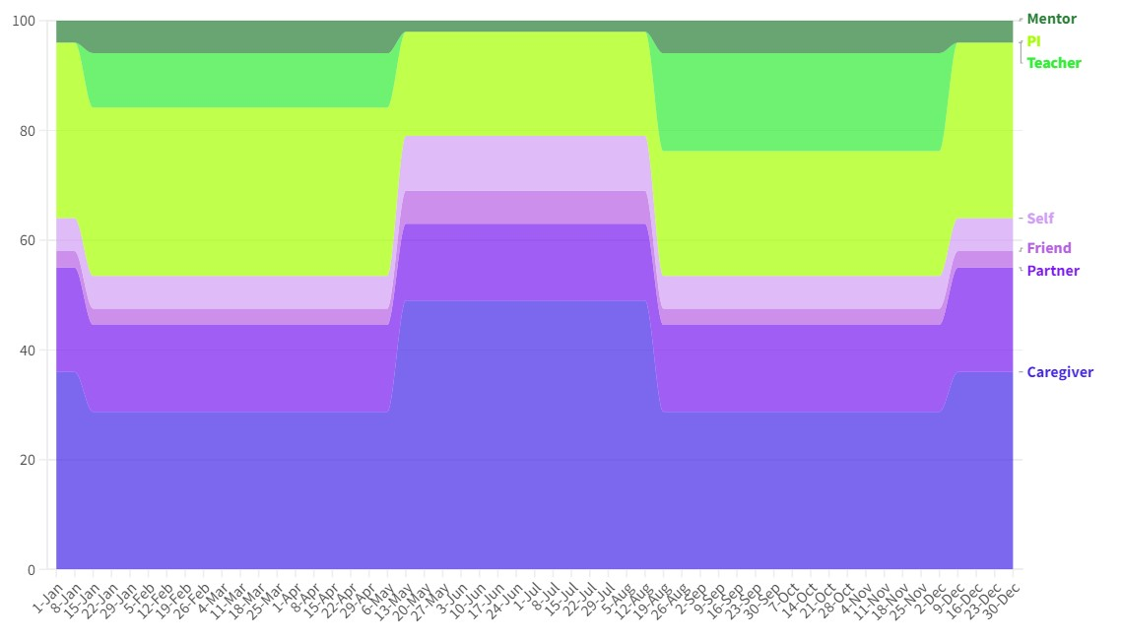
Spring | 2024-03-18 | 29 | 16 | 3 | 6 | 0 | 0 | 31 | 10 | 6 | 100
Spring | 2024-03-25 | 29 | 16 | 3 | 6 | 0 | 0 | 31 | 10 | 6 | 100
Spring | 2024-04-01 | 29 | 16 | 3 | 6 | 0 | 0 | 31 | 10 | 6 | 100
Spring | 2024-04-08 | 29 | 16 | 3 | 6 | 0 | 0 | 31 | 10 | 6 | 100
Spring | 2024-04-15 | 29 | 16 | 3 | 6 | 0 | 0 | 31 | 10 | 6 | 100
Spring | 2024-04-22 | 29 | 16 | 3 | 6 | 0 | 0 | 31 | 10 | 6 | 100
Spring | 2024-04-29 | 29 | 16 | 3 | 6 | 0 | 0 | 31 | 10 | 6 | 100
Spring | 2024-05-06 | 29 | 16 | 3 | 6 | 0 | 0 | 31 | 10 | 6 | 100
Summer | 2024-05-13 | 49 | 14 | 6 | 10 | 0 | 0 | 19 | 0 | 2 | 100
Summer | 2024-05-20 | 49 | 14 | 6 | 10 | 0 | 0 | 19 | 0 | 2 | 100
Summer | 2024-05-27 | 49 | 14 | 6 | 10 | 0 | 0 | 19 | 0 | 2 | 100
Summer | 2024-06-03 | 49 | 14 | 6 | 10 | 0 | 0 | 19 | 0 | 2 | 100
Summer | 2024-06-10 | 49 | 14 | 6 | 10 | 0 | 0 | 19 | 0 | 2 | 100
Summer | 2024-06-17 | 49 | 14 | 6 | 10 | 0 | 0 | 19 | 0 | 2 | 100
Summer | 2024-06-24 | 49 | 14 | 6 | 10 | 0 | 0 | 19 | 0 | 2 | 100
Summer | 2024-07-01 | 49 | 14 | 6 | 10 | 0 | 0 | 19 | 0 | 2 | 100
Summer | 2024-07-08 | 49 | 14 | 6 | 10 | 0 | 0 | 19 | 0 | 2 | 100
Summer | 2024-07-15 | 49 | 14 | 6 | 10 | 0 | 0 | 19 | 0 | 2 | 100
Summer | 2024-07-22 | 49 | 14 | 6 | 10 | 0 | 0 | 19 | 0 | 2 | 100
Summer | 2024-07-29 | 49 | 14 | 6 | 10 | 0 | 0 | 19 | 0 | 2 | 100
Summer | 2024-08-05 | 49 | 14 | 6 | 10 | 0 | 0 | 19 | 0 | 2 | 100
Summer | 2024-08-12 | 49 | 14 | 6 | 10 | 0 | 0 | 19 | 0 | 2 | 100
Fall | 2024-08-19 | 29 | 16 | 3 | 6 | 0 | 0 | 23 | 18 | 6 | 100
Fall | 2024-08-26 | 29 | 16 | 3 | 6 | 0 | 0 | 23 | 18 | 6 | 100
Fall | 2024-09-02 | 29 | 16 | 3 | 6 | 0 | 0 | 23 | 18 | 6 | 100
Fall | 2024-09-09 | 29 | 16 | 3 | 6 | 0 | 0 | 23 | 18 | 6 | 100
Fall | 2024-09-16 | 29 | 16 | 3 | 6 | 0 | 0 | 23 | 18 | 6 | 100
Fall | 2024-09-23 | 29 | 16 | 3 | 6 | 0 | 0 | 23 | 18 | 6 | 100
Fall | 2024-09-30 | 29 | 16 | 3 | 6 | 0 | 0 | 23 | 18 | 6 | 100
Fall | 2024-10-07 | 29 | 16 | 3 | 6 | 0 | 0 | 23 | 18 | 6 | 100
Fall | 2024-10-14 | 29 | 16 | 3 | 6 | 0 | 0 | 23 | 18 | 6 | 100
Fall | 2024-10-21 | 29 | 16 | 3 | 6 | 0 | 0 | 23 | 18 | 6 | 100
Fall | 2024-10-28 | 29 | 16 | 3 | 6 | 0 | 0 | 23 | 18 | 6 | 100
Fall | 2024-11-04 | 29 | 16 | 3 | 6 | 0 | 0 | 23 | 18 | 6 | 100
Fall | 2024-11-11 | 29 | 16 | 3 | 6 | 0 | 0 | 23 | 18 | 6 | 100
Fall | 2024-11-18 | 29 | 16 | 3 | 6 | 0 | 0 | 23 | 18 | 6 | 100
Fall | 2024-11-25 | 29 | 16 | 3 | 6 | 0 | 0 | 23 | 18 | 6 | 100
Fall | 2024-12-02 | 29 | 16 | 3 | 6 | 0 | 0 | 23 | 18 | 6 | 100
Winter | 2024-12-09 | 36 | 19 | 3 | 6 | 0 | 0 | 32 | 0 | 4 | 100
Winter | 2024-12-16 | 36 | 19 | 3 | 6 | 0 | 0 | 32 | 0 | 4 | 100
Winter | 2024-12-23 | 36 | 19 | 3 | 6 | 0 | 0 | 32 | 0 | 4 | 100
Winter | 2024-12-30 | 36 | 19 | 3 | 6 | 0 | 0 | 32 | 0 | 4 | 100

